Task-SubTasks
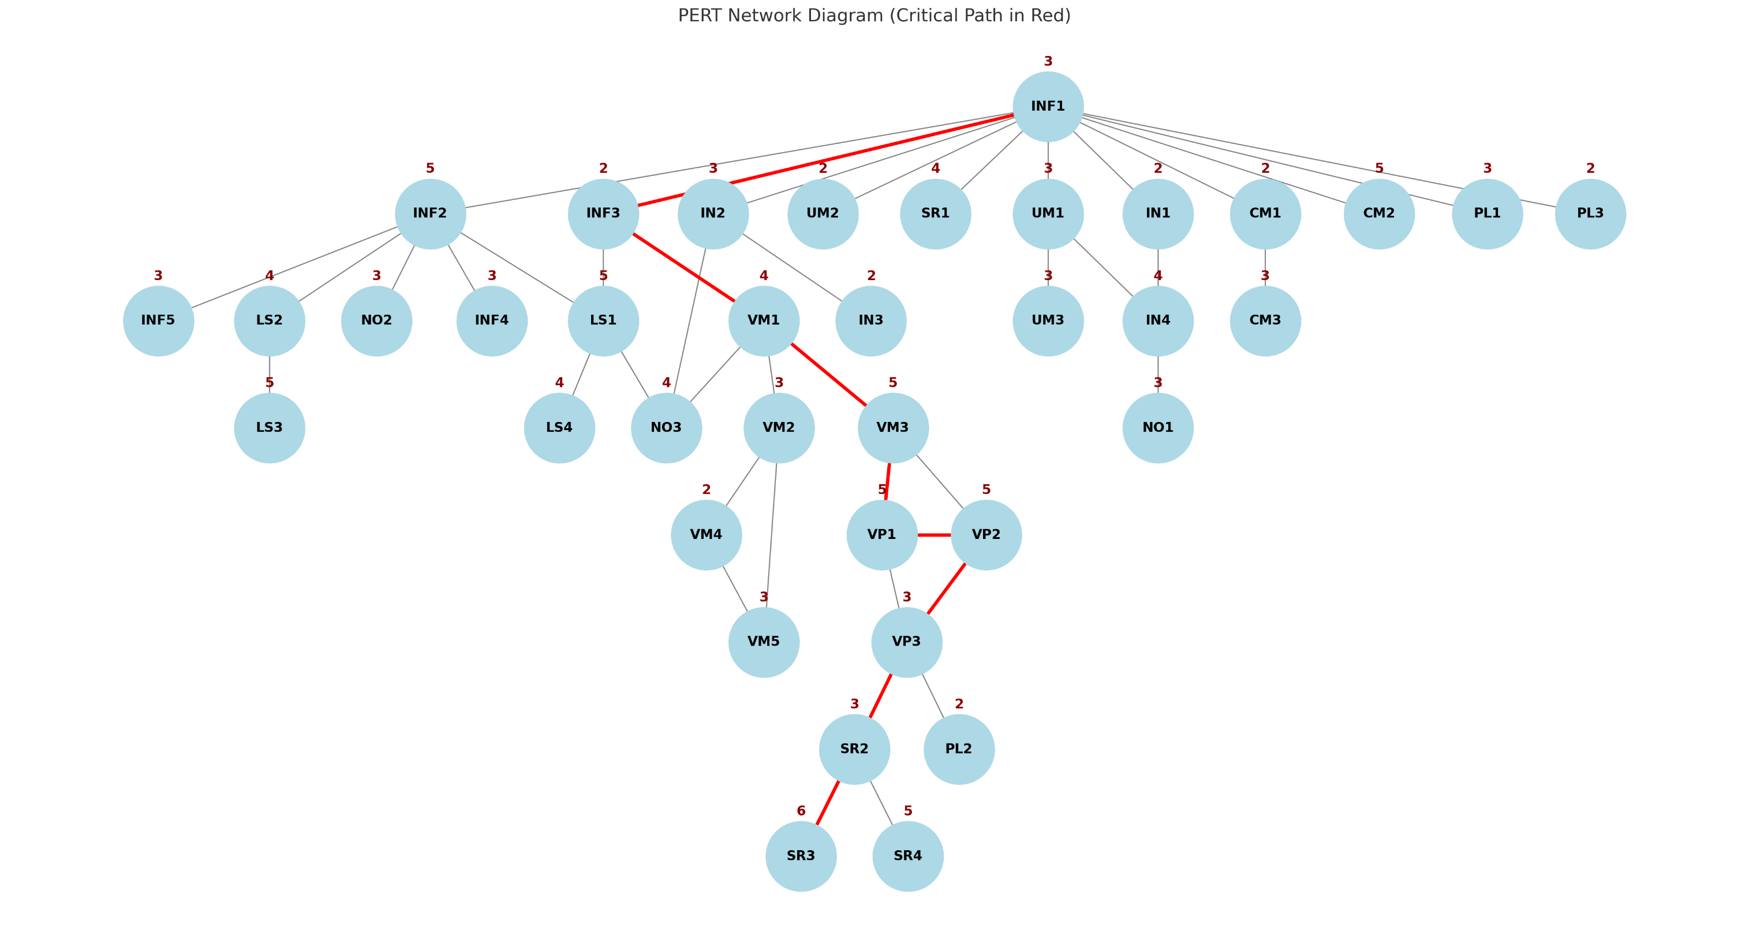
Task Num | Task ID | Task | SubTasks | Duration (days) | Predecessor Tasks | ES | EF | LS | LF | Critical Path | Slack
1 | INF1 | Infrastructure / Backend Setup | Database Schema Design | 3 | - | 0 | 3 | 0 | 3 | *
2 | INF2 | Infrastructure / Backend Setup | API Gateway & Microservices Setup | 5 | INF1 | 3 | 8 | 17 | 22
3 | INF3 | Infrastructure / Backend Setup | File Storage (S3 or similar) | 2 | INF1 | 3 | 5 | 3 | 5 | *
4 | INF4 | Infrastructure / Backend Setup | CI/CD Pipelines | 3 | INF2 | 8 | 11 | 28 | 31
5 | INF5 | Infrastructure / Backend Setup | Load Balancing, Caching (CDN, Redis) | 3 | INF2 | 8 | 11 | 28 | 31
6 | UM1 | User Management | Setup Authentication System (Registration, Login, Logout) | 3 | INF1 | 3 | 6 | 21 | 24
7 | UM2 | User Management | Integrate OAuth (Google, Facebook) | 2 | INF1 | 3 | 5 | 29 | 31
8 | UM3 | User Management | Profile Management UI/Backend (edit name, email, pic) | 3 | UM1 | 6 | 9 | 28 | 31
9 | VM1 | Video Management | Video Upload System (UI + backend + storage) | 4 | INF3 | 5 | 9 | 5 | 9 | *
10 | VM2 | Video Management | Metadata Handling (title, desc, tags, categories) | 3 | VM1 | 9 | 12 | 23 | 26
11 | VM3 | Video Management | Format Conversion/Transcoding (FFmpeg integration) | 5 | VM1 | 9 | 14 | 9 | 14 | *
12 | VM4 | Video Management | Privacy Settings (public/unlisted/private) | 2 | VM2 | 12 | 14 | 26 | 28
13 | VM5 | Video Management | Video Edit Functionality | 3 | VM2, VM4 | 14 | 17 | 28 | 31
14 | VP1 | Video Playback & Streaming | Adaptive Bitrate Streaming Setup (HLS/DASH) | 5 | VM3 | 14 | 19 | 14 | 19 | *
15 | VP2 | Video Playback & Streaming | Multi-resolution encoding (144p to 4K) | 5 | VM3 | 14 | 19 | 14 | 19 | *
16 | VP3 | Video Playback & Streaming | Player Controls (fullscreen, captions, speed) | 3 | VP1, VP2 | 19 | 22 | 19 | 22 | *
17 | SR1 | Search & Recommendation System | Full-Text Search (title, tags, desc, channel) | 4 | INF1 | 3 | 7 | 27 | 31
18 | SR2 | Search & Recommendation System | Watch History Logging | 3 | VP3 | 22 | 25 | 22 | 25 | *
19 | SR3 | Search & Recommendation System | Recommendation Engine (basic collaborative filtering) | 6 | SR2 | 25 | 31 | 25 | 31 | *
20 | SR4 | Search & Recommendation System | Trending Detection (AI/ML) | 5 | SR2 | 25 | 30 | 26 | 31
21 | IN1 | Interactions | Likes/Dislikes | 2 | INF1 | 3 | 5 | 22 | 24
22 | IN2 | Interactions | Commenting System | 3 | INF1 | 3 | 6 | 24 | 27
23 | IN3 | Interactions | Replies under comments | 2 | IN2 | 6 | 8 | 29 | 31
24 | IN4 | Interactions | Subscriptions + Notification trigger | 4 | UM1, IN1 | 6 | 10 | 24 | 28
25 | LS1 | Live Streaming & Chat | Live Stream Infrastructure (RTMP ingest, CDN config) | 5 | INF2, INF3 | 8 | 13 | 22 | 27
26 | LS2 | Live Streaming & Chat | Real-time Chat System | 4 | INF2 | 8 | 12 | 22 | 26
27 | LS3 | Live Streaming & Chat | Super Chat (payments, paid messages) | 5 | LS2 | 12 | 17 | 26 | 31
28 | LS4 | Live Streaming & Chat | Live Recording & Replay | 4 | LS1 | 13 | 17 | 27 | 31
29 | CM1 | Content Moderation | Report System (UI/Backend) | 2 | INF1 | 3 | 5 | 26 | 28
30 | CM2 | Content Moderation | AI-driven content scanning (ML model or API integration) | 5 | INF1 | 3 | 8 | 26 | 31
31 | CM3 | Content Moderation | Manual Review Workflow | 3 | CM1 | 5 | 8 | 28 | 31
32 | PL1 | Playlists & Watch History | Playlist Creation + Management | 3 | INF1 | 3 | 6 | 28 | 31
33 | PL2 | Playlists & Watch History | Watch History Tracking + Clear Option | 2 | VP3 | 22 | 24 | 29 | 31
34 | PL3 | Playlists & Watch History | Watch Later, Liked Videos | 2 | INF1 | 3 | 5 | 29 | 31
35 | NO1 | Notifications & Alerts | Bell Notification System (subscribe & alert UI) | 3 | IN4 | 10 | 13 | 28 | 31
36 | NO2 | Notifications & Alerts | Push & Email Notification Backend | 3 | INF2 | 8 | 11 | 28 | 31
37 | NO3 | Notifications & Alerts | Event Trigger System (uploads, replies, live) | 4 | VM1, IN2, LS1 | 13 | 17 | 27 | 31

ES=largest EF of the immediate predecessors.
EF = ES + (estimated) duration of the activity
LS = LF - (estimated) duration of the activity
LF = smallest LS of the immediate successors

Gannt Chart
